Info
Elektroimportøren er Norges 4 største el-grossist.
De har 29 butikker i Norge og 1 i Sverige gjennom oppkjøpet av Elbutik AB

Namron er Elimp sitt eget varemerke og ble etablert i 2007.
Namron har raskt blitt en markedaleder innenfor lys, varme kabler, elektromateriell og smarthusløsninger

SpotOn er Elimp sin unike tjeneste som gjør det enkelt å få jobben gjort trygt og effektivt. Spoton lar kunden bestille produjter og tjenseter, inkludert montering, til en fast pris
Spoton leverer fagmessig arbeid utføert av sertifiserte elektrikere
Spoton ble integrert inn i Elimp fra Q424
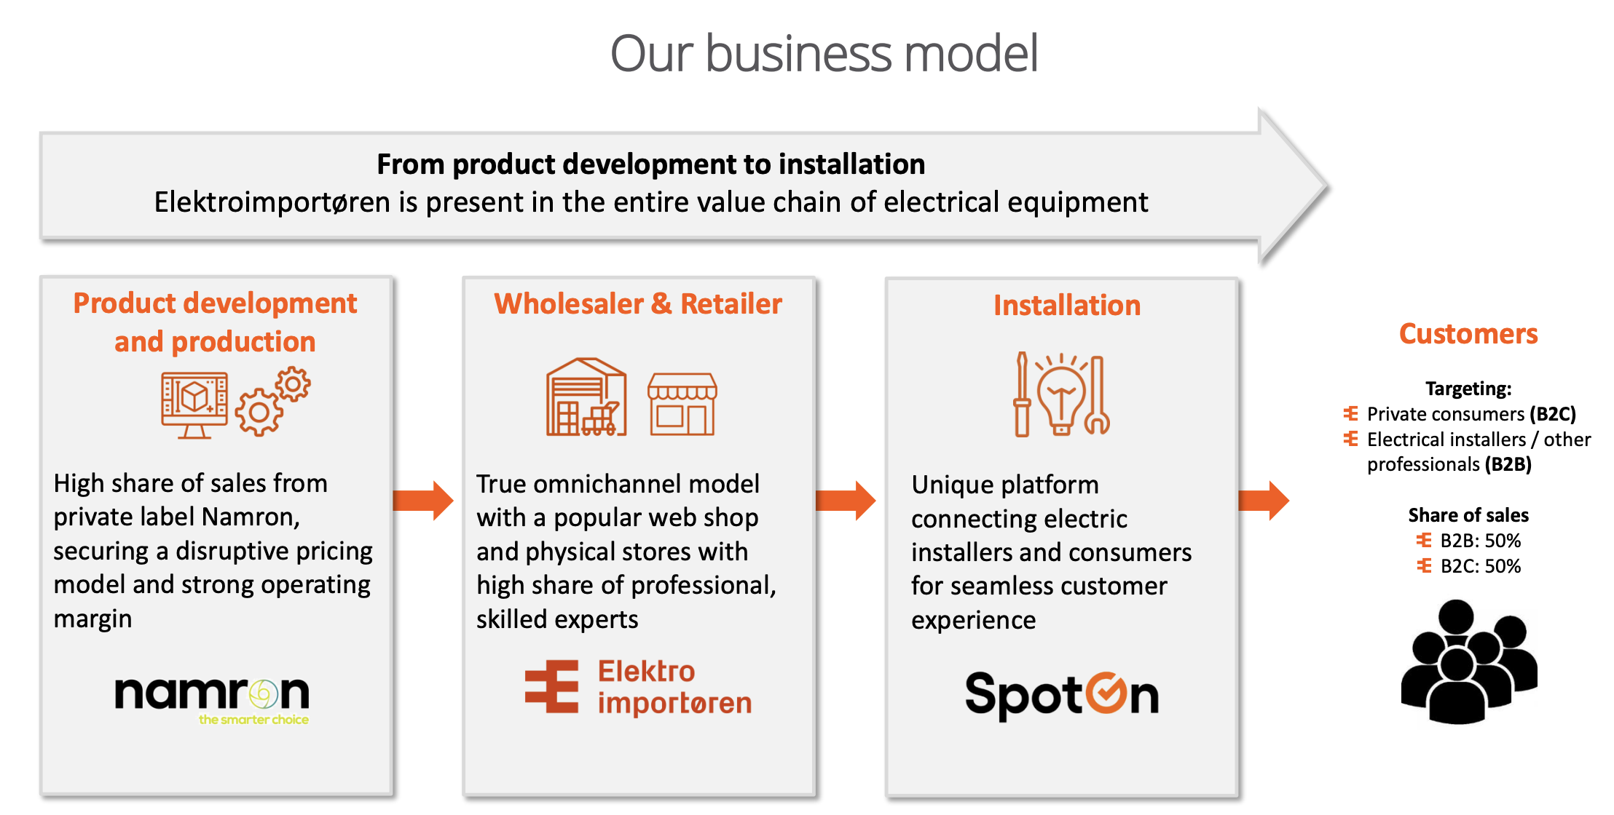

Press releases:

19.03.24: Kjørte en rep-emi og fikk inn 30m
14.02.24: hentet 150m til 7,5kr

